module 4.1 2
Question | Option - 1 | Option - 2 | Option - 3 | Option - 4 | optioon- 5 | Number of options | Correct answer | Marks | Negative marks
The difference between the input and output voltage are -1v and 17v. Calculate the closed loop voltage gain of differential amplifier with one op-amp? | -51 | 34 | -17 | 14 |  | 4 | 3 | 2 | 0
Find the value of input resistance for differential amplifier with one op-amp. If R1 = R2=100Ω and RF = R3 =5kΩ. | RIFx = 110Ω; RIFy = 6.7kΩ | RIFx = 100Ω; RIFy = 5.1kΩ | RIFx = 150Ω; RIFy = 7.2kΩ | RIFx = 190Ω; RIFy = 9.0kΩ |  | 4 | 2 | 2 | 0
Determine the output resistance of differential amplifier with three op-amp. The op-amp used is 741c, with A=200000 and Ro. The output and difference of input voltages are 44 and 11. | 5.5mΩ | 2.4mΩ | 3.5mΩ | 1.5mΩ |  | 4 | 4 | 2 | 0
The bandwidth of the differential amplifier increases, if the value of | Open loop voltage gain decreases | Closed loop voltage gain decreases | Differential voltage gain decreases | All of the mentioned |  | 4 | 2 | 2 | 0
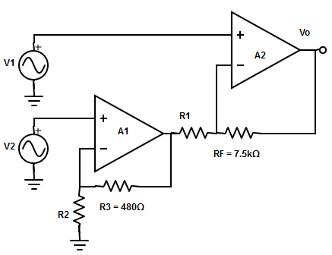 Determine the output voltage from the diagram. Where V1=-4.3Vpp and V2 = -5.1Vpp sinewave at 1000hz. | 12 Vpp sinewave at 1000hz | 13.3 Vpp sinewave at 1000hz | 14 Vpp sinewave at 1000hz | 11 Vpp sinewave at 1000hz |  | 4 | 2 | 2 | 0
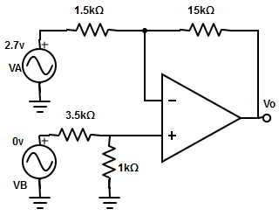 Compute the output voltage from the following circuit diagram? | -17 | -27 | -39 | -15 |  | 4 | 2 | 2 | 0

